deterioration_valuelist
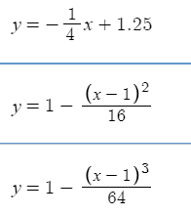
(primary key)
deterioration_id | deterioration_name | deterioration_equation
1 | linear regression | y=(1.0/4.0)*-x+(5.0/4.0) | where y = remaining life fraction (decimal from 0 to 1) where 0 = 0% and 1 = 100%
2 | squared regression | y=1.0-(1.0/16.0)*(x-1.0)^2.0 | and x = condition
3 | cubic regression | y=1.0-(1.0/64.0)*(x-1.0)^3.0 | 1 ≤ x ≤ 5

 |  |  | Irwan, you can check the graphs of these functions at this URl
 |  |  | https://www.desmos.com/calculator/afbwicew8h
 |  |  | https://www.desmos.com/calculator/hz52fexe9i

